Lyons 2017 (Native)
Defect Name | Chargestate Name |  |  | Charge | dHo = formation energy without any chemical or Ef contribution. Usually dH for Ef at valence band edge. dH is composed in the calculations as dH=dHo +q*Ef - sum(dm_i*mu_i) | how many Ga added? | how many N added? |  | Citation
N antisite | N_Ga^{+3} |  |  | 3 | 5.2649431389 | -1 | 1 |  | write the authors, journal, issue, page nad year for the paper where the number came from
 | N_Ga^{+2} |  |  | 2 | 5.6857192317 | -1 | 1
 | N_Ga^{+1} |  |  | 1 | 7.1582563536 | -1 | 1
 | N_Ga^{0} |  |  | 0 | 8.8377264859 | -1 | 1 |  | J. L. Lyons and C. G. Van de Walle, “Computationally predicted energies and properties of defects in GaN,” npj Comput Mater, vol. 3, no. 1, pp. 1–10, Mar. 2017, doi: 10.1038/s41524-017-0014-2.
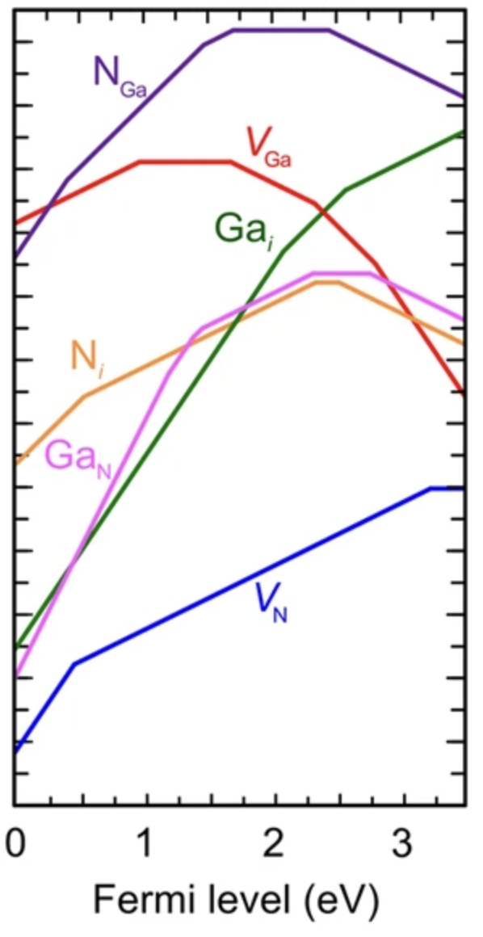
 | N_Ga^{-1} |  |  | -1 | 11.255129976 | -1 | 1
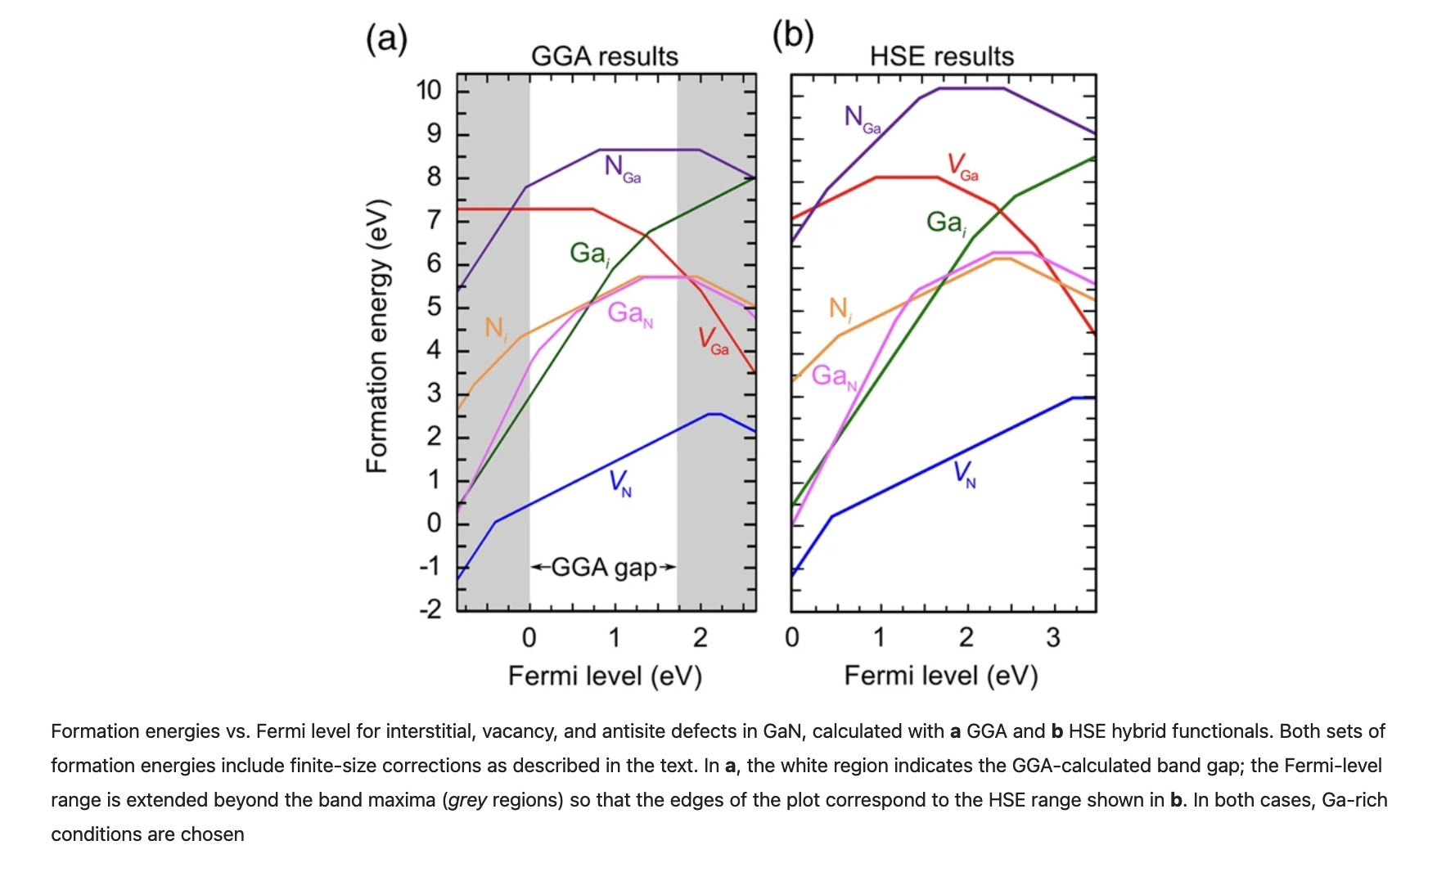

Ga vacancy | V_Ga^{+1} |  |  | 1 | 7.1479572636 | -1 | 0
 | V_Ga^{0} |  |  | 0 | 8.1084824005 | -1 | 0
 | V_Ga^{-1} |  |  | -1 | 9.7692383509 | -1 | 0
 | V_Ga^{-2} |  |  | -2 | 12.072226025 | -1 | 0
 | V_Ga^{-3} |  |  | -3 | 14.838493188 | -1 | 0

Ga interstitial | Ga_i^{+3} |  |  | 3 | 0.47735051772 | 1 | 0
 | Ga_i^{+2} |  |  | 2 | 2.5792812521 | 1 | 0
 | Ga_i^{+1} |  |  | 1 | 5.1273883296 | 1 | 0

N interstitial | N_i^{+2} |  |  | 2 | 1.9976723254 | 0 | 1
 | N_i^{+1} |  |  | 1 | 2.5483267346 | 0 | 1
 | N_i^{0} |  |  | 0 | 4.8813740458 | 0 | 1
 | N_i^{-1} |  |  | -1 | 7.3796935171 | 0 | 1 |  | 1. data validation
 |  |  |  |  |  |  |  |  | 2. determine formation enthalpy
 |  |  |  |  |  |  |  |  | 3. extract H*

Ga antisite | Ga_N^{+4} |  |  | 4 | 1.3372798223 | 1 | -1
 | Ga_N^{+3} |  |  | 3 | 2.5345924006 | 1 | -1
 | Ga_N^{+2} |  |  | 2 | 3.9255787855 | 1 | -1
 | Ga_N^{+1} |  |  | 1 | 5.3927123448 | 1 | -1
 | Ga_N^{0} |  |  | 0 | 7.698778626 | 1 | -1
 | Ga_N^{-1} |  |  | -1 | 10.435238265 | 1 | -1

N vacancy | V_N^{+3} |  |  | 3 | 0.16807431912 | 0 | -1
 | V_N^{+1} |  |  | 1 | 1.1036418375 | 0 | -1
 | V_N^{0} |  |  | 0 | 4.3198038084 | 0 | -1

 |  |  |  |  |  | mu_Ga | mu_N
 |  |  |  |  |  | 0 | -1.34

POINTS
X | Y | Equation |  | slopes | intercepts |  |  | Slope change points
N antisite |  |  |  |  |  |  |  | X | Y | deltaX | deltaY
0.0062111801242 | 6.6231967686 | y = 3x + | 3 | 3.0019114253 | 6.604551356 | 6.6049431389 |  | 0.40372670807 | 7.8165031737 | -8.881784197E-16 | 0
0.40372670807 | 7.8165031737 | y = 2x + 6.996227085 | 2 | 2.0317607733 | 6.9962270851 | 7.0257192317 |  | 1.4534161491 | 9.949221004 | 2.4424906542E-15 | 0
1.4534161491 | 9.949221004 | y = x + 8.463935372 | 1 | 1.0219272937 | 8.4639353722 | 8.4982563536 |  | 1.6770186335 | 10.177726486 | 0 | 0
1.6770186335 | 10.177726486 | y = 10.17772649 | 0 | 0 | 10.177726486 | 10.177726486 |  | 2.4223602484 | 10.177726486 | 0 | 0
2.4223602484 | 10.177726486 | y = -x + 12.62337753 | -1 | -1.0096149167 | 12.623377526 | 12.595129976
3.4534161491 | 9.1367570687

Ga vacancy
0.012422360248 | 7.1563762262 | y =x + 7.143848513 | 1 | 1.008480882 | 7.1438485134 | 7.1479572636 |  | 0.95652173913 | 8.1084824005 | 0 | 0
0.95652173913 | 8.1084824005 | y = 8.1084824 | 0 | 0 | 8.1084824005 | 8.1084824005 |  | 1.6645962733 | 8.1084824005 | 0 | 0
1.6645962733 | 8.1084824005 | y = -x + 9.793063266 | -1 | -1.0120056695 | 9.7930632665 | 9.7692383509 |  | 2.3043478261 | 7.461050202 | 0 | 0
2.3043478261 | 7.461050202 | y = -2x + 12.04520869 | -2 | -1.9893517984 | 12.045208694 | 12.072226025 |  | 2.7701863354 | 6.5343335257 | 0 | 0
2.7701863354 | 6.5343335257 | y = -3x + 14.89726147 | -3 | -3.0189044823 | 14.897261471 | 14.838493188
3.4472049689 | 4.4904789383

Ga interstitial
0.012422360248 | 0.47893825736 | y = 3x + .4412387 | 3 | 3.0348143874 | 0.44123869975 | 0.47735051772 |  | 2.0621118012 | 6.6993652626 | 0 | 0
2.0621118012 | 6.6993652626 | y = 2x + 2.539444399 | 2 | 2.0173110214 | 2.5394443986 | 2.5792812521 |  | 2.5403726708 | 7.6641661858 | 0 | 0
2.5403726708 | 7.6641661858 | y = x + 5.103652705 | 1 | 1.0079282897 | 5.1036527046 | 5.1273883296
3.4472049689 | 8.5781881131

N interstitial
0.038623675516 | 3.4045801527 | y = 2x + 3.325714286 | 2 | 2.0419047619 | 3.3257142857 | 3.3376723254 |  | 0.53210094565 | 4.4122137405 | 0 | 0
0.53210094565 | 4.4122137405 | y = x + 3.875236836 | 1 | 1.0091635982 | 3.8752368355 | 3.8883267346 |  | 2.3248333713 | 6.2213740458 | 0 | 0
2.3248333713 | 6.2213740458 | y = 6.221374046 | 0 | 0 | 6.2213740458 | 6.2213740458 |  | 2.5039378489 | 6.2213740458 | 0 | 0
2.5039378489 | 6.2213740458 | y = -x + 8.754910333 | -1 | -1.011820756 | 8.754910333 | 8.7196935171
3.4545331548 | 5.2595419847

Ga antisite
0.035568816224 | 0.12977099237 | y = 4x + (- 0.013105676) | 4 | 4.016908168 | -0.01310567605 | -0.0027201777373 |  | 1.1928905093 | 4.7786259542 | 0 | 0
1.1928905093 | 4.7786259542 | y = 3x + 1.26326919 | 3 | 2.9469232396 | 1.2632691901 | 1.1945924006 |  | 1.3949384756 | 5.3740458015 | 0 | 0
1.3949384756 | 5.3740458015 | y = 2x + 2.525714286 | 2 | 2.0419047619 | 2.5257142857 | 2.5855787855 |  | 1.4622308306 | 5.5114503817 | 0 | 0
1.4622308306 | 5.5114503817 | y = x + 4.037064341 | 1 | 1.0083127844 | 4.0370643415 | 4.0527123448 |  | 2.3025734875 | 6.358778626 | 0 | 0
2.3025734875 | 6.358778626 | y = 6.358778626 | 0 | 0 | 6.358778626 | 6.358778626 |  | 2.7391406517 | 6.358778626 | 0 | 0
2.7391406517 | 6.358778626 | y = -x + 9.11876535 | -1 | -1.0076104424 | 9.1187653497 | 9.0952382648
3.4437022901 | 5.6488549618

N vacancy
0.012422360248 | -1.1459896134 | y = 3x + (-1.183895061) | 3 | 3.051388539 | -1.1838950611 | -1.1719256809 |  | 0.45341614907 | 0.19965377957 | 0 | 2.4980018054E-16
0.45341614907 | 0.19965377957 | y = x + (-0.25951127) | 1 | 1.0126790829 | -0.25951127044 | -0.23635816252 |  | 3.198757764 | 2.9798038084 | 0 | 0
3.198757764 | 2.9798038084 | y = 2.979803808 | 0 | 0 | 2.9798038084 | 2.9798038084
3.4472049689 | 2.9798038084

Lyons 2014 (C)
Defect Name | Chargestate Name |  | Charge | dHo = formation energy without any chemical or Ef contribution. Usually dH for Ef at valence band edge. dH is composed in the calculations as dH=dHo +q*Ef - sum(dm_i*mu_i) | how many Ga added? | how many N added? | how many C added? | Citation
C substition Ga | C_Ga^{+1} |  | 1 | 1.644439937 | -1 | 0 | 1 | write the authors, journal, issue, page nad year for the paper where the number came from

 |  |  |  |  |  |  |  | https://journals.aps.org/prb/abstract/10.1103/PhysRevB.89.035204#f1

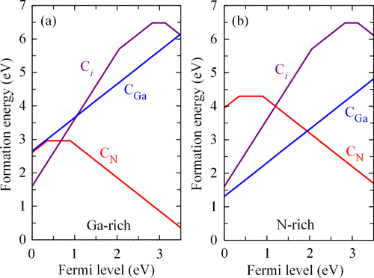
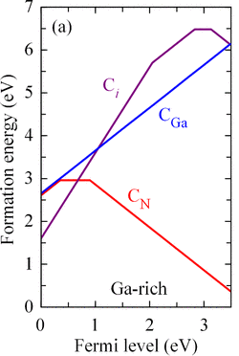
C substitution N | C_N^{+1} |  | 1 | 2.926677924 | 0 | -1 | 1
 | C_N^{0} |  | 0 | 3.296124314 | 0 | -1 | 1
 | C_N^{-1} |  | -1 | 4.197423779 | 0 | -1 | 1

C interstitial | C_i^{+2} |  | 2 | 0.592240094 | 0 | 0 | 1
 | C_i^{+1} |  | 1 | 2.642731641 | 0 | 0 | 1
 | C_i^{0} |  | 0 | 5.475319927 | 0 | 0 | 1
 | C_i^{-1} |  | -1 | 8.599474999 | 0 | 0 | 1

 |  |  |  |  | mu_Ga | mu_N | mu_C
 |  |  |  |  | 0 | -1.34 | -1

 |  |  |  |  |  |  |  |  | Validation
Points |  |  |  |  |  |  |  |  | Slope Change Points
X | Y | Slope | Charge | Intercept (calculated purely from points) | Intercept (calc. from points and charge as slope) |  |  |  | X | Y | delta X | delta Y
0.020172910663 | 2.6617915905 | 1.0016357163 | 1 | 2.6415856827 | 2.644439937 |  |  |  | N/A | N/A | N/A | N/A
3.469740634 | 6.1170018282

0.020172910663 | 2.6106032907 | 0.97874118569 | 1 | 2.5908592322 | 2.5866779236 |  |  |  | 0.37319884726 | 2.9561243144 | 0 | 0
0.37319884726 | 2.9561243144 | 0 | 0 | 2.9561243144 | 2.9561243144 |  |  |  | 0.90778097983 | 2.9561243144 | 0 | 0
0.90778097983 | 2.9561243144 | -1.0050399685 | -1 | 3.8684804818 | 3.8574237786
3.4798270893 | 0.37111517367

0.020172910663 | 1.6380255941 | 1.9946337781 | 2 | 1.5977880251 | 1.592240094 |  |  |  | 2.0475504323 | 5.6819012797 | 0 | 0
2.0475504323 | 5.6819012797 | 1.021581709 | 1 | 3.5901612099 | 3.6427316408 |  |  |  | 2.8242074928 | 6.4753199269 | 0 | 0
2.8242074928 | 6.4753199269 | 0 | 0 | 6.4753199269 | 6.4753199269 |  |  |  | 3.1268011527 | 6.4753199269 | 0 | 0
3.1268011527 | 6.4753199269 | -1.0149908592 | -1 | 9.6489945155 | 9.5994749986
3.4798270893 | 6.1170018282

Lyons 2021 (C complexes)
Defect Name | Chargestate Name |  | Charge | dHo = formation energy without any chemical or Ef contribution. Usually dH for Ef at valence band edge. dH is composed in the calculations as dH=dHo +q*Ef - sum(dm_i*mu_i) | how many Ga added? | how many N added? | how many C added? | Citation
Cn-Ci | C_{N}-C_{i}^{+3} |  | 3 | 1.150773745 | 0 | -1 | 2 | write the authors, journal, issue, page nad year for the paper where the number came from
 | C_{N}-C_{i}^{+1} |  | 1 | 2.700960674 | 0 | -1 | 2
 | C_{N}-C_{i}^{0} |  | 0 | 5.893805310 | 0 | -1 | 2 | https://journals.aps.org/prb/abstract/10.1103/PhysRevB.104.075201

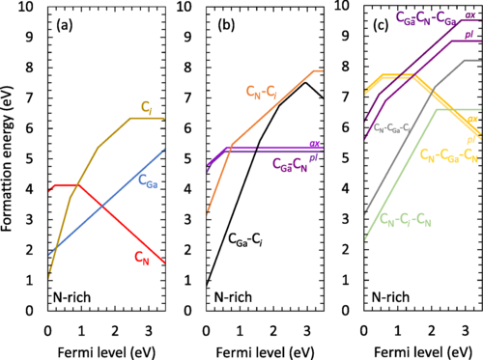
Cga-Cn ax | C_{Ga}-C_{N}^{+1} |  | 1 | 4.107639960 | -1 | -1 | 2
 | C_{Ga}-C_{N}^{0} |  | 0 | 4.720530973 | -1 | -1 | 2

Cga-Cn pl | C_{Ga}-C_{N}^{+2} |  | 2 | 3.889193129 | -1 | -1 | 2
 | C_{Ga}-C_{N}^{+1} |  | 1 | 4.048177559 | -1 | -1 | 2
 | C_{Ga}-C_{N}^{0} |  | 0 | 4.578938053 | -1 | -1 | 2

Cga-Ci | C_{Ga}-C_{i}^{+3} |  | 3 | 0.181370498 | -1 | 0 | 2
 | C_{Ga}-C_{i}^{+2} |  | 2 | 1.754130898 | -1 | 0 | 2
 | C_{Ga}-C_{i}^{+1} |  | 1 | 3.921113057 | -1 | 0 | 2
 | C_{Ga}-C_{i}^{0} |  | 0 | 6.844424779 | -1 | 0 | 2
 | C_{Ga}-C_{i}^{-1} |  | -1 | 9.812386541 | -1 | 0 | 2

Cga-Cn-Cga ax | C_{Ga}-C_{N}-C_{Ga}^{+2} |  | 2 | 5.861573589 | -2 | -1 | 3
 | C_{Ga}-C_{N}-C_{Ga}^{+1} |  | 1 | 6.308508581 | -2 | -1 | 3
 | C_{Ga}-C_{N}-C_{Ga}^{0} |  | 0 | 9.193888889 | -2 | -1 | 3

Cga-Cn-Cga pl | C_{Ga}-C_{N}-C_{Ga}^{+2} |  | 2 | 5.275040721 | -2 | -1 | 3
 | C_{Ga}-C_{N}-C_{Ga}^{+1} |  | 1 | 5.913616019 | -2 | -1 | 3
 | C_{Ga}-C_{N}-C_{Ga}^{0} |  | 0 | 8.516805556 | -2 | -1 | 3

Cn-Cga-Ci | C_{N}-C_{Ga}-C_{i}^{+2} |  | 2 | 1.470526469 | -1 | -1 | 3
 | C_{N}-C_{Ga}-C_{i}^{+1} |  | 1 | 3.559431719 | -1 | -1 | 3
 | C_{N}-C_{Ga}-C_{i}^{0} |  | 0 | 6.534444444 | -1 | -1 | 3

Cn-Cga-Cn ax | C_{N}-C_{Ga}-C_{N}^{+2} |  | 2 | 5.519496619 | -1 | -2 | 3
 | C_{N}-C_{Ga}-C_{N}^{+1} |  | 1 | 6.083055556 | -1 | -2 | 3
 | C_{N}-C_{Ga}-C_{N}^{0} |  | 0 | 7.585755163 | -1 | -2 | 3

Cn-Cga-Cn pl | C_{N}-C_{Ga}-C_{N}^{+2} |  | 2 | 5.406826643 | -1 | -2 | 3
 | C_{N}-C_{Ga}-C_{N}^{+1} |  | 1 | 5.961527778 | -1 | -2 | 3
 | C_{N}-C_{Ga}-C_{N}^{0} |  | 0 | 7.439635508 | -1 | -2 | 3

Cn-Ci-Cn | C_{N}-C_{i}-C_{N}^{+2} |  | 2 | -0.711096568 | 0 | -2 | 3
 | C_{N}-C_{i}-C_{N}^{0} |  | 0 | 3.597222222 | 0 | -2 | 3

 |  |  |  |  | mu_Ga | mu_N | mu_C
 |  |  |  |  | -1.34 | 0 | -1

 |  |  |  |  |  |  |  |  | Validation
Points |  |  |  |  |  |  |  |  | Slope Change Points
X | Y | Slope | Charge | Intercept (calculated purely from points) | Intercept (calc. from points and charge as slope) |  |  |  | X | Y | delta X | delta Y
0.016042780749 | 3.2212389381 | 2.941986234 | 3 | 3.1740412979 | 3.1507737447 |  |  |  | 0.78609625668 | 5.4867256637 | 0 | 0
0.78609625668 | 5.4867256637 | 1.0002753196 | 1 | 4.7004129794 | 4.7009606739 |  |  |  | 3.192513369 | 7.8938053097 | 0 | 0
3.192513369 | 7.8938053097 | 0 | 0 | 7.8938053097 | 7.8938053097
3.4812834225 | 7.8938053097

0.032085561497 | 4.796460177 | 1.0113077679 | 1 | 4.7640117994 | 4.7676399602 |  |  |  | 0.60962566845 | 5.3805309735 | 0 | 0
0.60962566845 | 5.3805309735 | 0 | 0 | 5.3805309735 | 5.3805309735
3.449197861 | 5.3805309735

0.016042780749 | 4.5840707965 | 1.961324156 | 2 | 4.552605703 | 4.5491931286 |  |  |  | 0.16042780749 | 4.8672566372 | -4.1633363423E-16 | 0
0.16042780749 | 4.8672566372 | 1.007310504 | 1 | 4.7056560215 | 4.708177559 |  |  |  | 0.52941176471 | 5.2389380531 | 0 | 0
0.52941176471 | 5.2389380531 | 0 | 0 | 5.2389380531 | 5.2389380531
3.4652406417 | 5.2389380531

0.016042780749 | 0.90265486726 | 2.9832641021 | 3 | 0.85479501535 | 0.84137049832 |  |  |  | 1.5882352941 | 5.592920354 | 0 | 0
1.5882352941 | 5.592920354 | 1.991969846 | 2 | 2.4292035398 | 2.4141308977 |  |  |  | 2.1657754011 | 6.7433628319 | 0 | 0
2.1657754011 | 6.7433628319 | 1.0093516601 | 1 | 4.5573338354 | 4.5811130566 |  |  |  | 2.9197860963 | 7.5044247788 | 0 | 0
2.9197860963 | 7.5044247788 | 0 | 0 | 7.5044247788 | 7.5044247788 |  |  |  | 2.9679144385 | 7.5044247788 | 0 | 0
2.9679144385 | 7.5044247788 | -0.99981563422 | -1 | 10.471792035 | 10.472386541
3.4812834225 | 6.9911504425

0.025496291449 | 6.2326388889 | 1.9996581416 | 2 | 6.1816550221 | 6.1815735893 |  |  |  | 0.45091623037 | 7.0833333333 | 0 | 0
0.45091623037 | 7.0833333333 | 0.99679415492 | 1 | 6.6338626705 | 6.6285085806 |  |  |  | 2.8892888307 | 9.5138888889 | 0 | 0
2.8892888307 | 9.5138888889 | 0 | 0 | 9.5138888889 | 9.5138888889
3.4861474695 | 9.5138888889

0.024569153578 | 5.6423611111 | 2.0059167221 | 2 | 5.5930774351 | 5.5950407213 |  |  |  | 0.63907068063 | 6.875 | 0 | 0
0.63907068063 | 6.875 | 0.99764721109 | 1 | 6.2374329178 | 6.2336160195 |  |  |  | 2.605502836 | 8.8368055556 | 0 | 0
2.605502836 | 8.8368055556 | 0 | 0 | 8.8368055556 | 8.8368055556
3.5007907941 | 8.8368055556

0.020696989529 | 3.1770833333 | 1.9950352471 | 2 | 3.1357921097 | 3.1305264689 |  |  |  | 2.1005126527 | 7.3263888889 | 0 | 0
2.1005126527 | 7.3263888889 | 0.98536907489 | 1 | 5.2566086795 | 5.219431719 |  |  |  | 2.9814572426 | 8.1944444444 | 0 | 0
2.9814572426 | 8.1944444444 | 0 | 0 | 8.1944444444 | 8.1944444444
3.4997818499 | 8.1944444444

0.027023342059 | 7.2048611111 | 1.006202736 | 1 | 7.1776701504 | 7.1794966187 |  |  |  | 0.56190008726 | 7.7430555556 | 0 | 0
0.56190008726 | 7.7430555556 | 0 | 0 | 7.7430555556 | 7.7430555556 |  |  |  | 1.5043084642 | 7.7430555556 | 0 | 0
1.5043084642 | 7.7430555556 | -1.0016284397 | -1 | 9.2498136955 | 9.2457551629
3.4802574171 | 5.7638888889

0.026859729494 | 7.1006944444 | 0.97379422861 | 1 | 7.0745385949 | 7.0668266434 |  |  |  | 0.56170920593 | 7.6215277778 | 0 | 0
0.56170920593 | 7.6215277778 | 0 | 0 | 7.6215277778 | 7.6215277778 |  |  |  | 1.4727039703 | 7.6215277778 | 0 | 0
1.4727039703 | 7.6215277778 | -0.99461598721 | -1 | 9.0863026911 | 9.0996355076
3.480039267 | 5.625

0.019388089005 | 2.34375 | 1.9850006151 | 2 | 2.3052646314 | 2.2889034322 |  |  |  | 2.1621945899 | 6.5972222222 | 0 | 0
2.1621945899 | 6.5972222222 | 0 | 0 | 6.5972222222 | 6.5972222222
3.4815663176 | 6.5972222222

Pasquarello 2016 (Mg)
Defect Name | Chargestate Name | Charge | dHo = formation energy without any chemical or Ef contribution. Usually dH for Ef at valence band edge. dH is composed in the calculations as dH=dHo +q*Ef - sum(dm_i*mu_i) | how many Ga added? | how many N added? | how many Mg added? | Citation
Mg antisite | Mg_Ga^{-1} | -1 | 0 | -1 | 0 | 1 | write the authors, journal, issue, page nad year for the paper where the number came from
 | Mg_Ga^{0} | 0 | -0.4 | -1 | 0 | 1
 |  |  |  |  |  |  | G. Miceli and A. Pasquarello, “Self-compensation due to point defects in Mg-doped GaN,” Phys. Rev. B, vol. 93, no. 16, p. 165207, Apr. 2016, doi: 10.1103/PhysRevB.93.165207.
Mg interstitial | Mg_i^{+2} | 2 | -1.3 | 0 | 0 | 1

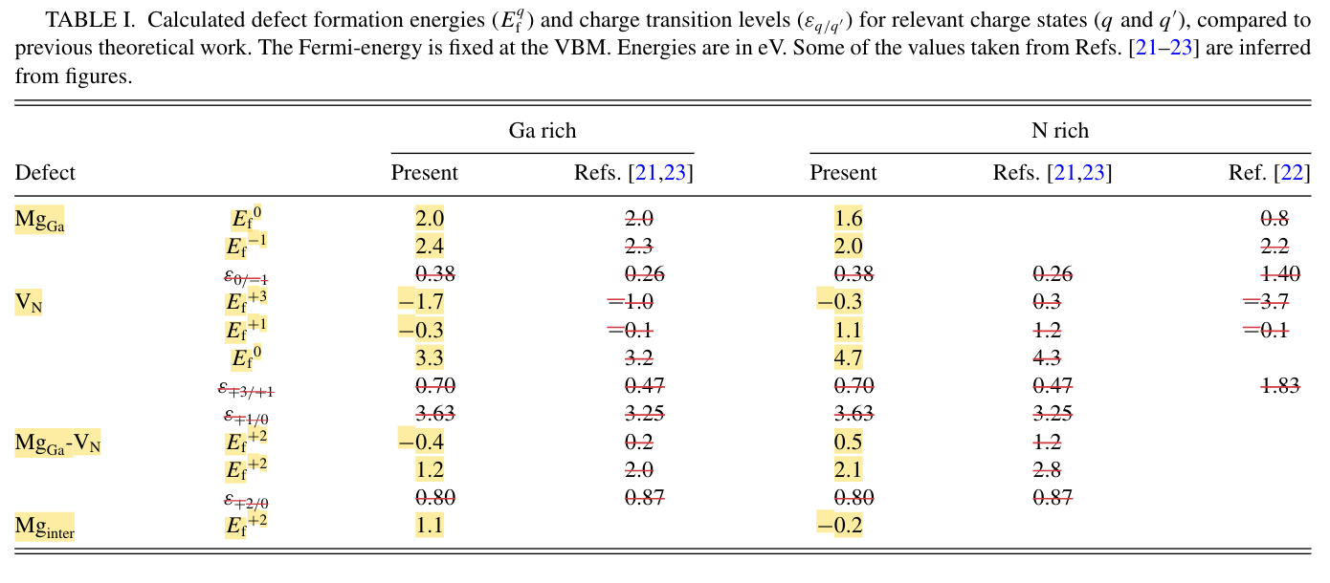
Mg_Ga - V_N complex | Mg_Ga-V_N^{0} | 0 | 0.14 | -1 | -1 | 1
 | Mg_Ga-V_N^{+2} | 2 | -1.46 | -1 | -1 | 1

 |  |  |  | mu_Ga | mu_N | mu_Mg
 |  |  |  | 0 | -1.34 | -2.4

 |  |  | 2.4
 |  |  | 2

 |  |  | 1.1

 |  |  | 1.2
 |  |  | -0.4

Lyons 2014 (Si, Ge, O)
Defect Name | Chargestate Name |  | Charge | dHo = formation energy without any chemical or Ef contribution. Usually dH for Ef at valence band edge. dH is composed in the calculations as dH=dHo +q*Ef - sum(dm_i*mu_i) | how many Ga added? | how many N added? | how many Si added? | how many Ge added? | how many O added? |  |  |  |  | Citation
Si substitution Ga | Si_Ga^{+1} |  | 1 | -2.862357742 | -1 | 0 | 1 | 0 | 0 |  |  |  |  | write the authors, journal, issue, page nad year for the paper where the number came from

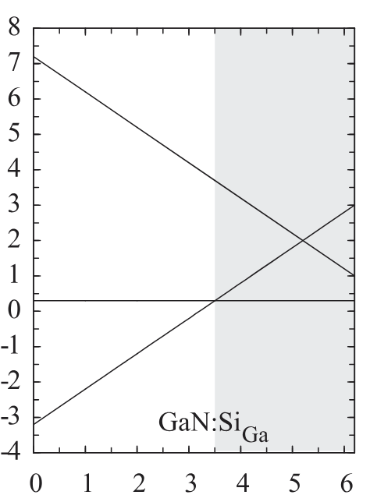
 |  |  |  |  |  |  |  |  |  |  |  |  |  | https://www.researchgate.net/profile/John-L-Lyons/publication/223012158_Hybrid_functional_calculations_of_DX_centers_in_AlN_GaN_and_AlGaN/links/55bf738708aec0e5f4475936/Hybrid-functional-calculations-of-DX-centers-in-AlN-GaN-and-AlGaN.pdf
Ge substitution Ga | Ge_Ga^{+1} |  | 1 | 0.746398343 | -1 | 0 | 0 | 1 | 0
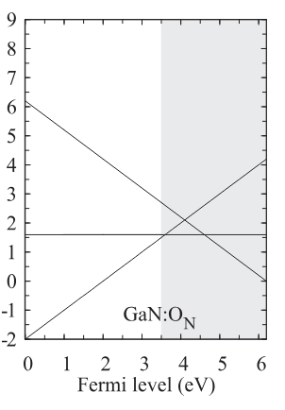
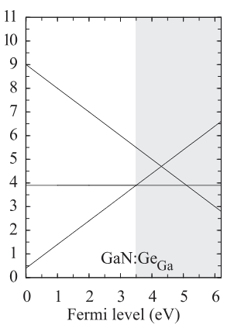
O substiution N | O_N^{+1} |  | 1 | -3.004817861 | 0 | -1 | 0 | 0 | 1

 |  |  |  |  | mu_Ga | mu_N | mu_Si | mu_Ge | mu_O
 |  |  |  |  | -1.34 | 0 | -1 | -1 | -1

 |  |  |  |  |  |  |  |  |  | Validation
Points |  |  |  |  |  |  |  |  |  | Slope Change Points |  |  |  |  | N-rich
X | Y | Slope | Charge | Intercept (calculated purely from points) | Intercept (calc. from points and charge as slope) |  |  |  |  | X | Y | delta X | delta Y
0.014962593516 | -3.1709635003 | 0.99462991776 | 1 | -3.1858457435 | -3.202357742 |  |  |  |  | N/A | N/A | N/A | N/A
6.1346633416 | 2.9158739515

0.048648648649 | 0.45383104126 | 1.000402057 | 1 | 0.40516283308 | 0.40639834333
6.0972972973 | 6.5049115914

0.097297297297 | -1.9130434783 | 1.0018310737 | 1 | -2.0105189341 | -2.0048178613
6.1297297297 | 4.1304347826

Lyons 2012 (Be&Zn)
Defect Name | Chargestate Name |  | Charge | dHo = formation energy without any chemical or Ef contribution. Usually dH for Ef at valence band edge. dH is composed in the calculations as dH=dHo +q*Ef - sum(dm_i*mu_i) | how many Ga added? | how many N added? | how many Be added? | how many Zn added? |  | Citation
Be substitution Ga | Be_Ga^{0} |  | 0 | 1.835671343 | -1 | 0 | 1 | 0 |  | write the authors, journal, issue, page nad year for the paper where the number came from
 | Be_Ga^{-1} |  | -1 | 2.383722148 | -1 | 0 | 1 | 0
 |  |  |  |  |  |  |  |  |  | https://www.researchgate.net/profile/John-L-Lyons/publication/260972647_Impact_of_Group-II_Acceptors_on_the_Electrical_and_Optical_Properties_of_GaN/links/0a85e533ef8b68e652000000/Impact-of-Group-II-Acceptors-on-the-Electrical-and-Optical-Properties-of-GaN.pdf

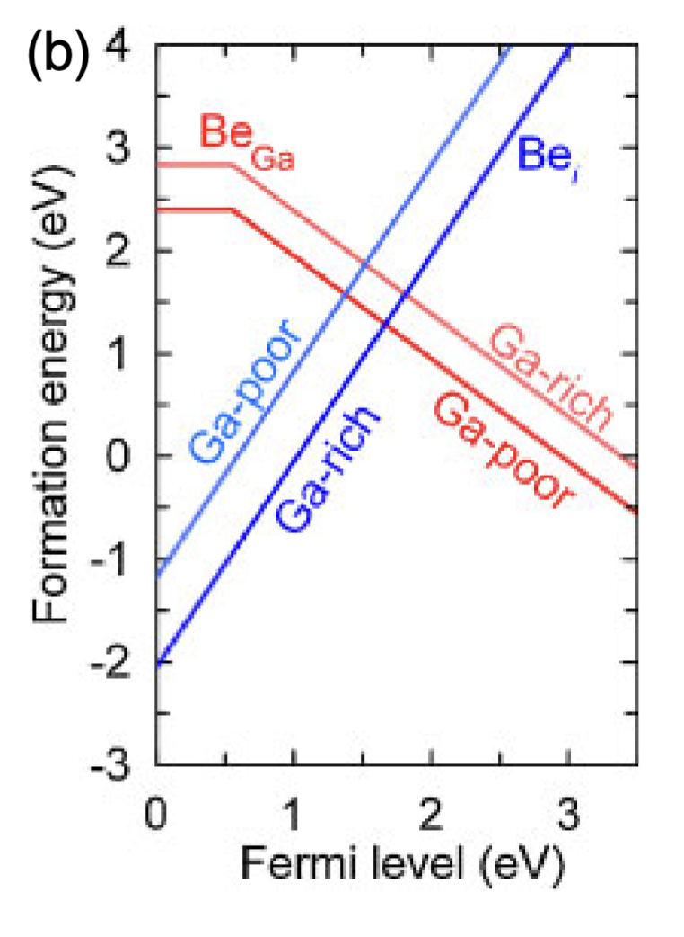
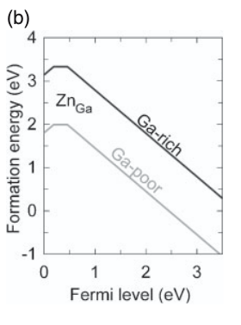
Be interstitial | Be_i^{2} |  | 2 | -3.047527110 | 0 | 0 | 1 | 0
 |  |  |  |  |  |  |  |  |  |  |  |  | Ga-rich

Zn substitution Ga | Zn_Ga^{+1} |  | 1 | 2.132832423 | -1 | 0 | 0 | 1
 | Zn_Ga^{0} |  | 0 | 2.328703704 | -1 | 0 | 0 | 1
 | Zn_Ga^{-1} |  | -1 | 2.788107165 | -1 | 0 | 0 | 1

 |  |  |  |  | mu_Ga | mu_N | mu_Be | mu_Zn
 |  |  |  |  | 0 | -1.34 | -1 | -1

 |  |  |  |  |  |  |  |  | Validation
Points |  |  |  |  |  |  |  |  | Slope Change Points
X | Y | Slope | Charge | Intercept (calculated purely from points) | Intercept (calc. from points and charge as slope) |  |  |  | X | Y | delta X | delta Y
0.031358885017 | 2.8356713427 | 0 | 0 | 2.8356713427 | 2.8356713427 |  |  |  | 0.55400696864 | 2.8356713427 | 0 | 0
0.55400696864 | 2.8356713427 | -1.0040993257 | -1 | 3.3919493664 | 3.3837221481
3.4599303136 | -0.082164328657

0.031358885017 | -1.9899799599 | 2.0035081984 | 2 | -2.0528077431 | -2.04752711
2.9790940767 | 3.9158316633

0.0098360655738 | 3.1435185185 | 0.99090318389 | 1 | 3.1337719298 | 3.1328324226 |  |  |  | 0.19672131148 | 3.3287037037 | 0 | 0
0.19672131148 | 3.3287037037 | 0 | 0 | 3.3287037037 | 3.3287037037 |  |  |  | 0.45245901639 | 3.3287037037 | 0 | 0
0.45245901639 | 3.3287037037 | -0.99537037037 | -1 | 3.7790680024 | 3.7881071645
3.4524590164 | 0.34259259259

Lyons 2012 (Mg&H)
Defect Name | Chargestate Name |  | Charge | dHo = formation energy without any chemical or Ef contribution. Usually dH for Ef at valence band edge. dH is composed in the calculations as dH=dHo +q*Ef - sum(dm_i*mu_i) | how many Ga added? | how many N added? | how many Mg added? | how many H added? |  | Citation
H interstitial | H_{i}^{+1} |  | 1 | -2.114453199 | -1 | 0 | 0 | 1 |  | write the authors, journal, issue, page nad year for the paper where the number came from
 | H_{i}^{-1} |  | -1 | 3.882234478 | -1 | 0 | 0 | 1
 |  |  |  |  |  |  |  |  |  | https://journals.aps.org/prl/abstract/10.1103/PhysRevLett.108.156403

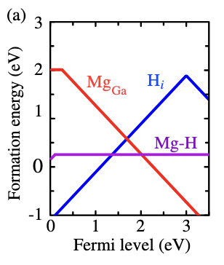
Mg-H Complex | Mg_{Ga}-H_{i}^{+1} |  | 1 | -1.845471163 | -1 | 0 | 1 | 1
 | Mg_{Ga}-H_{i}^{0} |  | 0 | -1.745263158 | -1 | 0 | 1 | 1 |  |  |  |  | Ga-rich

 |  |  |  |  | mu_Ga | mu_N | mu_Mg | mu_H
 |  |  |  |  | 0 | -1.34 | -1 | -1

 |  |  |  |  |  |  |  |  | Validation
Points |  |  |  |  |  |  |  |  | Slope Change Points
X | Y | Slope | Charge | Intercept (calculated purely from points) | Intercept (calc. from points and charge as slope) |  |  |  | X | Y | delta X | delta Y
0.12574850299 | -0.97473684211 | 0.99028070175 | 1 | -1.0992631579 | -1.1144531989 |  |  |  | 3 | 1.8715789474 | 0 | 0
3 | 1.8715789474 | -0.95523336643 | -1 | 4.7372790467 | 4.8822344784
3.4760479042 | 1.4168421053

0.0089820359281 | 0.16210526316 | 1.0312982456 | 1 | 0.15284210526 | 0.15452883706 |  |  |  | 0.09880239521 | 0.25473684211 | 0 | 0
0.09880239521 | 0.25473684211 | 0 | 0 | 0.25473684211 | 0.25473684211
3.4670658683 | 0.25473684211

Vorobiov 2024 (A_Ga-V_N comps)
Defect Name | Chargestate Name |  | Charge | dHo = formation energy without any chemical or Ef contribution. Usually dH for Ef at valence band edge. dH is composed in the calculations as dH=dHo +q*Ef - sum(dm_i*mu_i) | how many Ga added? | how many N added? | how many Be added? | how many Ca added? | how many Zn added? | how may Cd added? | how many H added? | how many Mg added? | Citation
Be-V_N complex | Be_{Ga}-V_{N}^{+2} |  | 2 | -0.732839255 | -1 | -1 | 1 | 0 | 0 | 0 | 1 | 0 | write the authors, journal, issue, page nad year for the paper where the number came from
 | Be_{Ga}-V_{N}^{0} |  | 0 | 1.281972921 | -1 | -1 | 1 | 0 | 0 | 0 | 1 | 0
 |  |  |  |  |  |  |  |  |  |  |  |  | https://pubs.aip.org/aip/jap/article/135/15/155701/3282833/Nitrogen-vacancy-acceptor-complexes-in-gallium
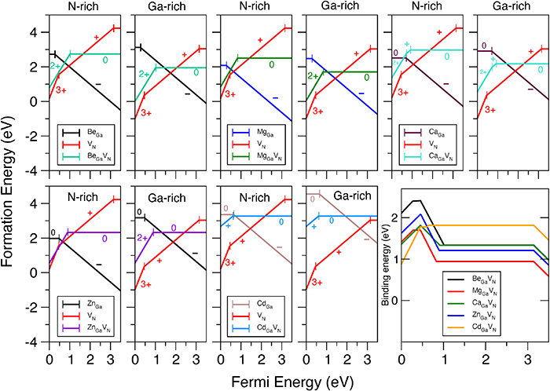
Ca-V_N complex | Ca_{Ga}-V_{N}^{+2} |  | 2 | -0.113775670 | -1 | -1 | 0 | 1 | 0 | 0 | 1 | 0
 | Ca_{Ga}-V_{N}^{+1} |  | 1 | 0.580334236 | -1 | -1 | 0 | 1 | 0 | 0 | 1 | 0
 | Ca_{Ga}-V_{N}^{0} |  | 0 | 1.512084130 | -1 | -1 | 0 | 1 | 0 | 0 | 1 | 0

Ca antisite | Ca_{Ga}^{0} |  | 0 | 1.906309751 | -1 | 0 | 0 | 1 | 0 | 0 | 0 | 0
 | Ca_{Ga}^{-1} |  | -1 | 2.601065283 | -1 | 0 | 0 | 1 | 0 | 0 | 0 | 0

Zn-V_N complex | Zn_{Ga}-V_{N}^{+2} |  | 2 | -0.103345949 | -1 | -1 | 0 | 0 | 1 | 0 | 1 | 0
 | Zn_{Ga}-V_{N}^{0} |  | 0 | 1.674170078 | -1 | -1 | 0 | 0 | 1 | 0 | 1 | 0

Cd-V_N complex | Cd_{Ga}-V_{N}^{+1} |  | 1 | 2.017347418 | -1 | -1 | 0 | 0 | 0 | 1 | 1 | 0
 | Cd_{Ga}-V_{N}^{0} |  | 0 | 2.623333333 | -1 | -1 | 0 | 0 | 0 | 1 | 1 | 0

Cd antisite | Cd_{Ga}^{0} |  | 0 | 3.550000000 | -1 | 0 | 0 | 0 | 0 | 1 | 0 | 0
 | Cd_{Ga}^{-1} |  | -1 | 4.186502347 | -1 | 0 | 0 | 0 | 0 | 1 | 0 | 0

Mg-V_N complex | Mg_{Ga}-V_{N}^{+2} |  |  | -0.609540112 | -1 | -1 | 0 | 0 | 0 | 0 | 1 | 1
 | Mg_{Ga}-V_{N}^{0} |  |  | 1.040970874 | -1 | -1 | 0 | 0 | 0 | 0 | 1 | 1

 |  |  |  |  | mu_Ga | mu_N | mu_Be | mu_Ca | mu_Zn | mu_Cd | mu_H | mu_Mg
 |  |  |  |  | 0 | -1.34 | -1 | -1 | -1 | -1 | -1 | -1

Points |  |  |  |  |  |  |  |  |  |  | Slope Change Points
X | Y | Slope | Charge | Intercept (calculated purely from points) | Intercept (calc. from points and charge as slope) |  |  |  |  |  | X | Y | delta X | delta Y
0.11218568665 | 0.20889748549 | 1.8758195141 | 2 | -0.001542614732 | -0.07283925481 |  |  |  |  |  | 1.0360887713 | 1.9419729207 | 0 | 0
1.0360887713 | 1.9419729207 | 0 | 0 | 1.9419729207 | 1.9419729207
3.4045098239 | 1.9419729207

0.077922077922 | 0.71128107075 | 1.9710461623 | 2 | 0.5576930581 | 0.54622433016 |  |  |  |  |  | 0.71428571429 | 1.965583174 | 0 | 0
0.71428571429 | 1.965583174 | 0.90068608705 | 1 | 1.322235969 | 1.2403342356 |  |  |  |  |  | 0.93506493506 | 2.1644359465 | 0 | 0
0.93506493506 | 2.1644359465 | 0.0061665982601 | 0 | 2.1586697767 | 2.17208413
3.4155844156 | 2.1797323136

0.025974025974 | 2.913957935 | -0.022650389763 | 0 | 2.9145462568 | 2.9063097514 |  |  |  |  |  | 0.7012987013 | 2.8986615679 | 0 | 0
0.7012987013 | 2.8986615679 | -0.99919349723 | -1 | 3.5993946698 | 3.6010652827
3.4415584416 | 0.16061185468

0.028037383178 | 0.64478257511 | 1.9262418911 | 2 | 0.59077579312 | 0.55665405113 |  |  |  |  |  | 0.89719626168 | 2.3189928169 | 0 | 0
0.89719626168 | 2.3189928169 | 0.012096588023 | 0 | 2.3081398033 | 2.334170078
3.4065420561 | 2.3493473392

0.042253521127 | 2.7333333333 | 0.95243902439 | 1 | 2.6930894309 | 2.6773474178 |  |  |  |  |  | 0.61971830986 | 3.2833333333 | 0 | 0
0.61971830986 | 3.2833333333 | 0 | 0 | 3.2833333333 | 3.2833333333
3.4225352113 | 3.2833333333

0.042253521127 | 4.55 | 0 | 0 | 4.55 | 4.55 |  |  |  |  |  | 0.64788732394 | 4.55 | 0 | 0
0.64788732394 | 4.55 | -1.0082482993 | -1 | 5.2032312925 | 5.1865023474
3.4084507042 | 1.7666666667

0.052631578947 | 0.16310679612 | 1.980977456 | 2 | 0.058844824749 | 0.050459887583 |  |  |  |  |  | 0.82894736842 | 1.7009708738 | 0 | 0
0.82894736842 | 1.7009708738 | 0 | 0 | 1.7009708738 | 1.7009708738
3.4210526316 | 1.7009708738

